Pollution Levels and medical co
 |  |  |  |  |  | Number cases | 10,709.32
7 Days |  |  |  |  | Cost for the city of Helsinki with current data
MEGASENSE PARAMETER | WHO LIMIT VALUES | NUMBER OF REGISTERS | REGISTERS ABOVE LIMITED VALUE | RATE | Number people | 100,000
PM2.5 | 10 Micrograms/M3 | 8843 | 4096 | 46.32% | Bad air % | 53.55%
PM10 | 20 Micrograms/M3 | 8843 | 2740 | 30.98% | Probability to respiratory hospital admissions (low likelihood) | 20.00% | file:///C:/Users/eberl/Downloads/Knol2009_Article_ExpertElicitationOnUltrafinePa.pdf
O3 | 100 Micrograms/M3 | 8843 | 1267 | 14.33% | Cost respiratory diagnosis | 12,692.00 | https://www.healthsystemtracker.org/brief/potential-costs-of-coronavirus-treatment-for-people-with-employer-coverage/#:~:text=The%20median%20total%20cost%20of,than%2096%20hours%20of%20ventilation.
NO2 | 40 Micrograms/M3 | 8843 | 8698 | 98.36% | Probability cost more than 2.000 | 75% | https://www.healthsystemtracker.org/brief/potential-costs-of-coronavirus-treatment-for-people-with-employer-coverage/#:~:text=The%20median%20total%20cost%20of,than%2096%20hours%20of%20ventilation.
CO | 57.280 Micrograms/M3 | 8843 | 0 | 0.00% | Total cost | 101,942,058.50

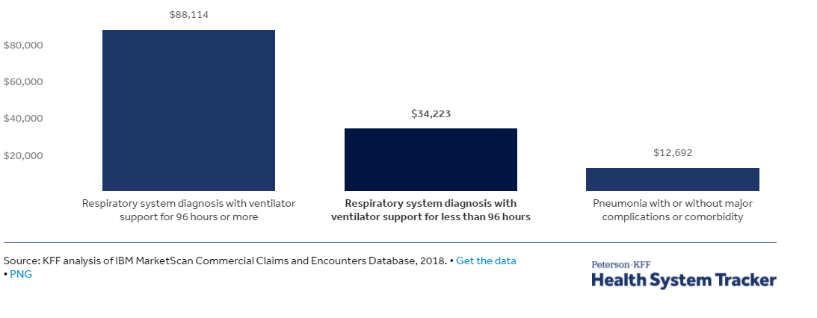
3 months
MEGASENSE PARAMETER | WHO LIMIT VALUES | NUMBER OF REGISTERS | REGISTERS ABOVE LIMITED VALUE | RATE
AQI | 3 | 9502 | 5088 | 53.55%
PM2.5 | 10 Micrograms/M3 | 9502 | 4652 | 48.96%
PM10 | 20 Micrograms/M3 | 9502 | 3064 | 32.25%

